Sheet1
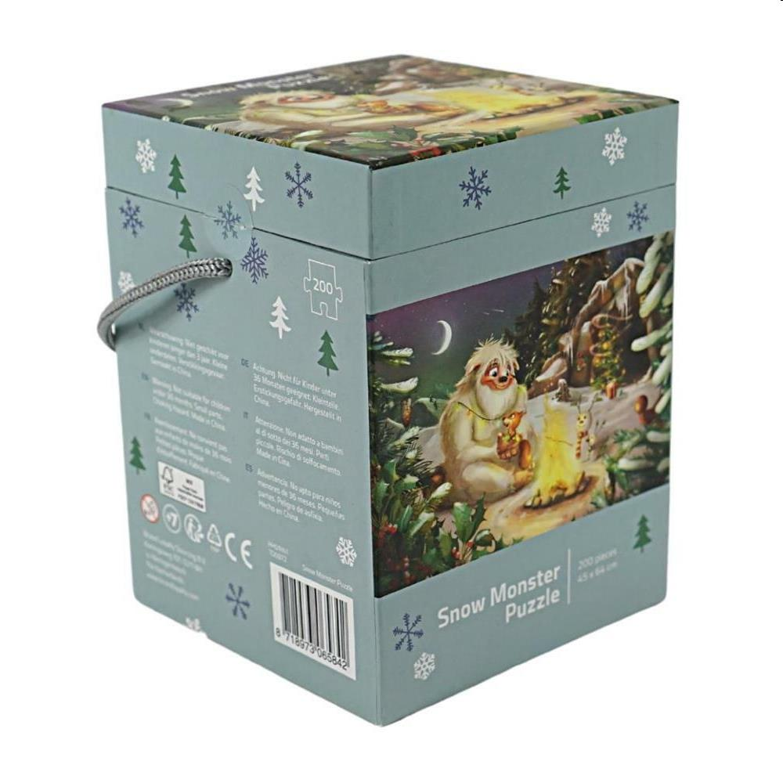
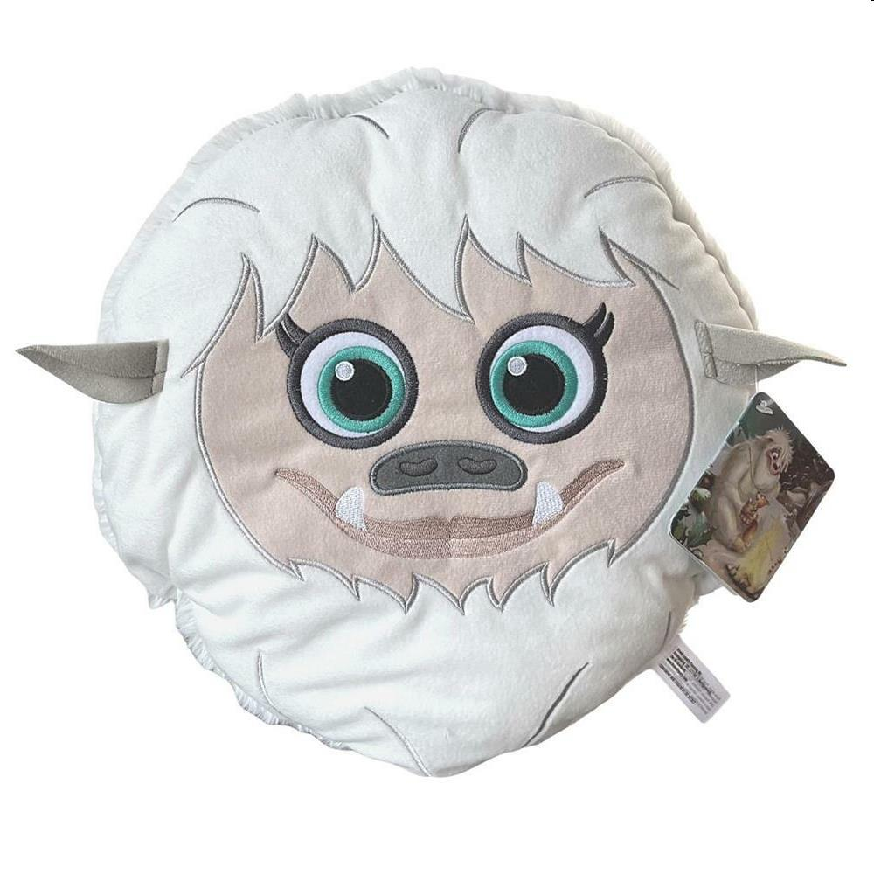
Picture | Item code | Description | Extra information | Restriction | Stock | Sales price EXW | Retail price | Barcode | Quantity PU | Quantity pallet | Pallet | Origin | Customs code | Item weight | Languages on package | Group
 | S-10223 | LET IT SNOW, snowmonster puzzle 200 pcs | TO0972 | NO SALES ONLINE | 48870 | 1.59 |  | 8718973065842 | 6 | 252 | Europallet 120x80 | CN | 9503006900 | 635 |  | LET IT SNOW
 | S-10222 | LET IT SNOW, Plush Pillow snowmonster 34 cm | TO0971 | NO SALES ONLINE | 20673 | 1.69 | 5.9 | 8718973065903 | 6 | 120 | Europallet 120x80 | VN | 9503004100 | 203 |  | LET IT SNOW

